Sheet2
Workbook

Worksheet

Cell name

Formula bar

Ribbion

Worksheet

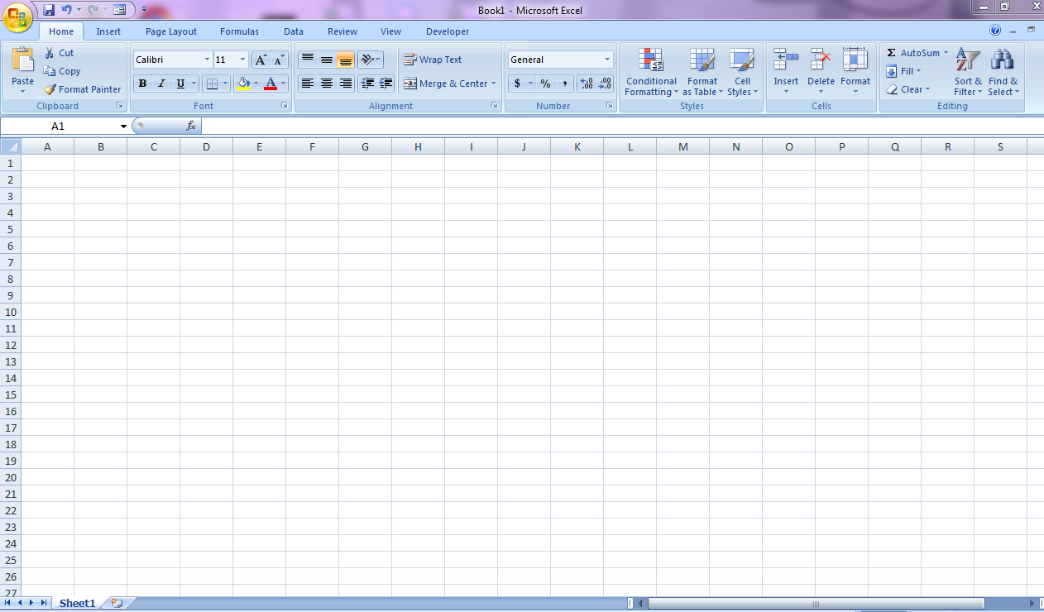

Cell name

Formula bar

Ribbon

